Sheet1
Assignment - 1 | Display unique customer's as well as Employees FullName,Address,City,Region,PostalCode,Country,Phone whose name starts with character 'A'.
Create Customers Table:
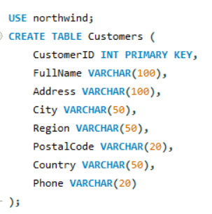

Insert values into Customers Table:

Create Employees Table:
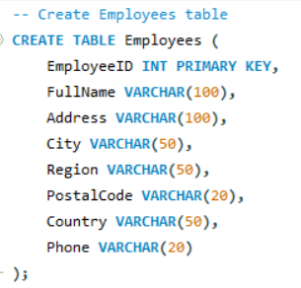

Insert values into Employees Table:

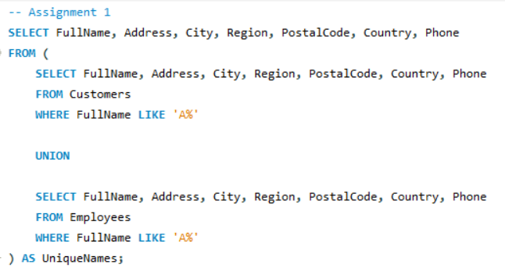
Query

Result

Assignment - 2 | Display customer's as well as Employees FullName,Address,City,Region,PostalCode,Country,Phone who are living in india
 | Same tables as before

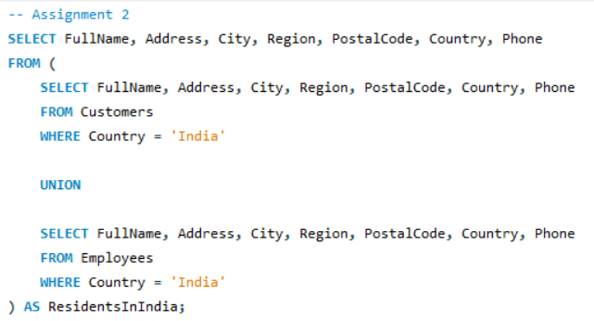
Query

Result

 |  | THE END

